Sheet1
9.1 Transport Device
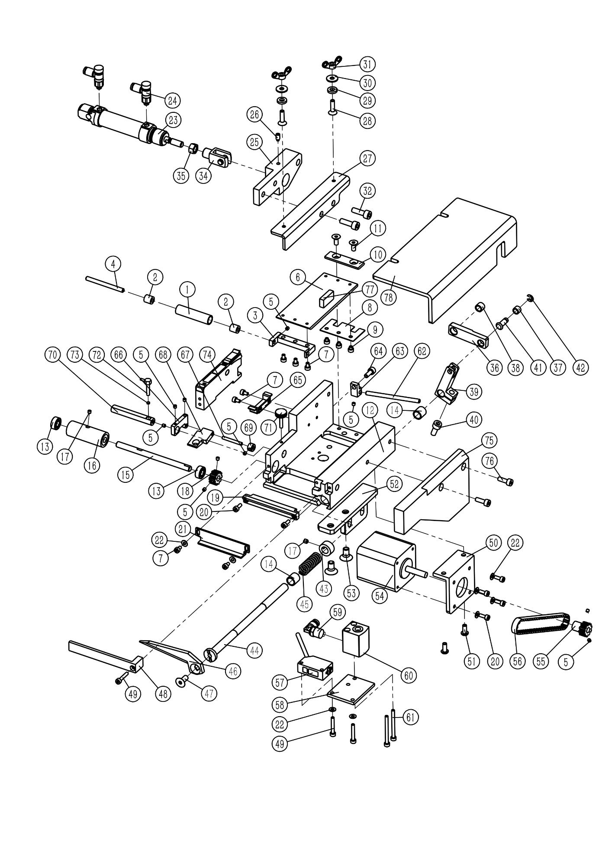

9.1 Transport Device
序号 NO. | 公司件号 Part NO. | 名称 PartName | 零件描述 Description | 数量 Number
1 | 48125010 | Lower roller |  | 1
2 | B09001 | Needle bearing |  | 2
3 | 48109086 | Roller stand |  | 1
4 | 48102062 | Lower roller shaft |  | 1
5 | 207S14014 | Set screw M3 × 3 |  | 10
6 | 48112001 | Feed plate |  | 1
7 | S05021 | Screw M3 × 5 |  | 7
8 | 48112061 | Spring plate |  | 1
9 | S05911 | Screw M3 × 3 |  | 3
10 | 48112062 | Spring leaf pressure plate |  | 1
11 | 48109001 | Feeding rack |  | 1
12 | S02104 | Countersunk head screw M4 × 10 |  | 2
13 | B01001 | Bearing |  | 2
14 | 48103056 | Cylindrical sleeve φ8 |  | 2
15 | 48102001 | Rubber roller shaft |  | 1
16 | 4812500700 | Scroll wheel |  | 1
17 | 413S14006 | Screw M4 × 4 |  | 2
18 | 48125002 | Driven synchronous pulley |  | 1
19 | 48119002 | Cutting knife |  | 1
20 | S05403 | Screw M3 × 8 |  | 6
21 | 48109002 | Feed limit plate |  | 1
22 | W01002 | M3 gasket |  | 6
23 | 48145308 | Cylindrical cylinder 16 × 10 |  | 1
24 | 42130032 | Throttle |  | 2
25 | 48109080 | Cylinder fixing frame |  | 1
26 | S09114 | Screw M5 × 5 |  | 1
27 | 48112008 | Protective cover fixing plate |  | 1
28 | S02106 | Screw M4 × 16 |  | 2
29 | 48128002 | Flat pad M4 |  | 2
30 | W01041 | M4 large gasket |  | 2
31 | 481S16001 | Wing nut M4 |  | 2
32 | S05092 | Screw M5 × 20 |  | 2
33 | W01004 | M5 gasket |  | 2
34 | 48145022 | Cylinder fork head M6 × 12 |  | 1
35 | 701S16017 | Nut M6 |  | 1
36 | 48105001 | Cutter shaft connecting rod |  | 1
37 | 48103057 | Cylindrical sleeve φ5 |  | 1
38 | 48103058 | Cylindrical shaft sleeve φ6 |  | 1
39 | 48109078 | Connecting frame |  | 1
40 | S05005 | Screw M5 × 12 |  | 1
41 | 48102074 | Short sale |  | 1
42 | H05018 | Circlip 3.5 |  | 1
43 | 48103053 | Collar |  | 1
44 | 48102058 | Knife spindle |  | 1
45 | 48127001 | Cutter shaft spring |  | 1
46 | 48119001 | Cutting knife |  | 1
47 | S02053 | Countersunk head screw M5 × 12 |  | 1
48 | 48109003 | Movable knife guard |  | 1
49 | 701S13033 | Screw M3 × 16 |  | 3
50 | 48109083 | Motor bracket |  | 1

9.1 传送装置
序号 NO. | 公司件号 Part NO. | 名称 PartName | 零件描述 Description | 数量 Number
51 | 701S15003 | Screw M4 × 8 |  | 2
52 | 48109038 | Feeding support arm |  | 1
53 | S05264 | Screw M6 × 12 |  | 2
54 | 48133001 | 42 stepper motor |  | 1
55 | 48125003 | Active timing pulley |  | 1
56 | 48135005 | Timing belt |  | 1
57 | 4213007300 | Photoelectric Sensors |  | 1
58 | 48109007 | Sensor fixing plate |  | 1
59 | 42136001 | Quick change elbow |  | 1
60 | 48145003 | Thin cylinder 12 × 10 |  | 1
61 | S05407 | Screw M3 × 35 |  | 2
62 | 48104001 | Guide rod |  | 1
63 | 48109004 | Guide fixed block |  | 1
64 | S05058 | Screw M4 × 10 |  | 1
65 | 48112009 | Amplifier mount |  | 1
66 | 48109005 | Lateral fixed block |  | 1
67 | 48102003 | Small polished rod |  | 1
68 | 48109006 | Auxiliary briquetting |  | 1
69 | 48108001 | Retaining ring |  | 1
70 | 48102004 | Sensor fixing rod |  | 1
71 | S06001 | Hand screw M3 × 16 |  | 1
72 | 48130006 | Fiber optic head |  | 1
73 | 48130007 | Fiber optic lens |  | 1
74 | 48130003 | optical fiber amplifier |  | 1
75 | 48109046 | Synchronous belt cover |  | 1
76 | S05266 | Screw M4 × 12 |  | 2
77 | 48147001 | Strong magnet |  | 1
78 | 48111003 | protecting mask |  | 1

9.2 Transport System
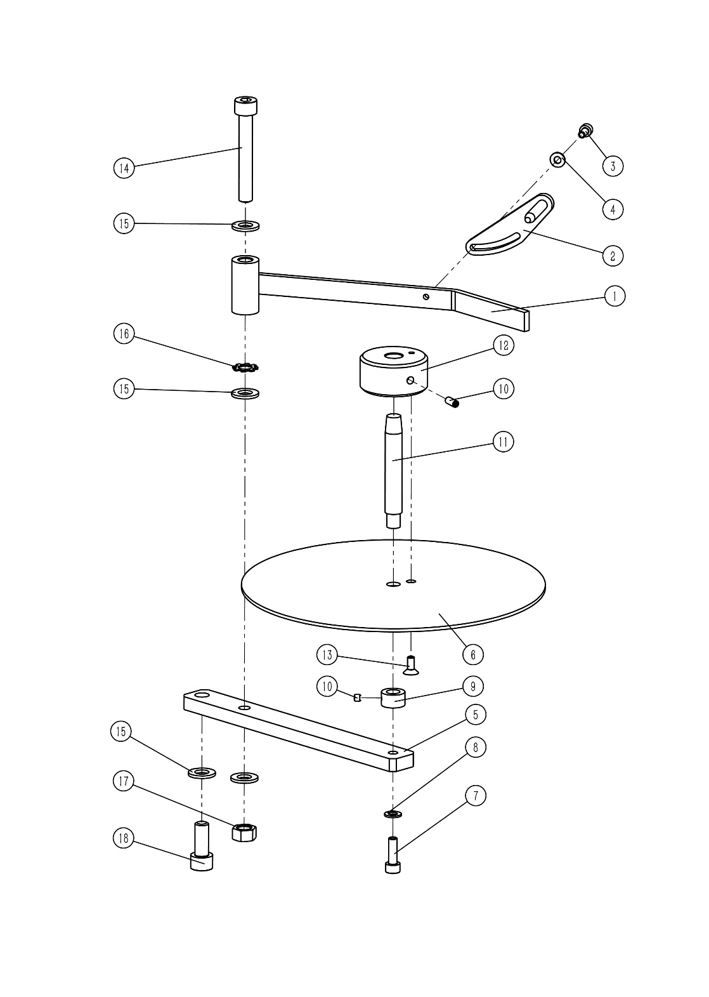

序号 NO. | 公司件号 Part NO. | 名称 PartName | 零件描述 Description | 数量 Number
1 | 4811200500 | Trademark pressure plate |  | 1
2 | 4810905600 | Width adjustment plate |  | 1
3 | S05859 | Screw M4 × 8 |  | 1
4 | W01001 | M4 gasket |  | 1
5 | 48109041 | Trademark label wheel support |  | 1
6 | 48109040 | Side stop |  | 1
7 | S05005 | Screw M5 × 12 |  | 1
8 | W01004 | M5 gasket |  | 1
9 | 48103053 | Collar |  | 1
10 | 413S14006 | Screw M4 × 4 |  | 2
11 | 48102055 | Unwinding shaft |  | 1
12 | 48103052 | Place the sleeve |  | 1
13 | S02068 | Screw M4 × 8 |  | 1
14 | S05151 | Screw M8 × 55 |  | 1
15 | W01010 | M8 gasket |  | 3
16 | W05002 | External tooth washer M8 |  | 1
17 | N01011 | Nut M8 |  | 1
18 | S05024 | Screw M8 × 25 |  | 1

9.3 Supporting Device
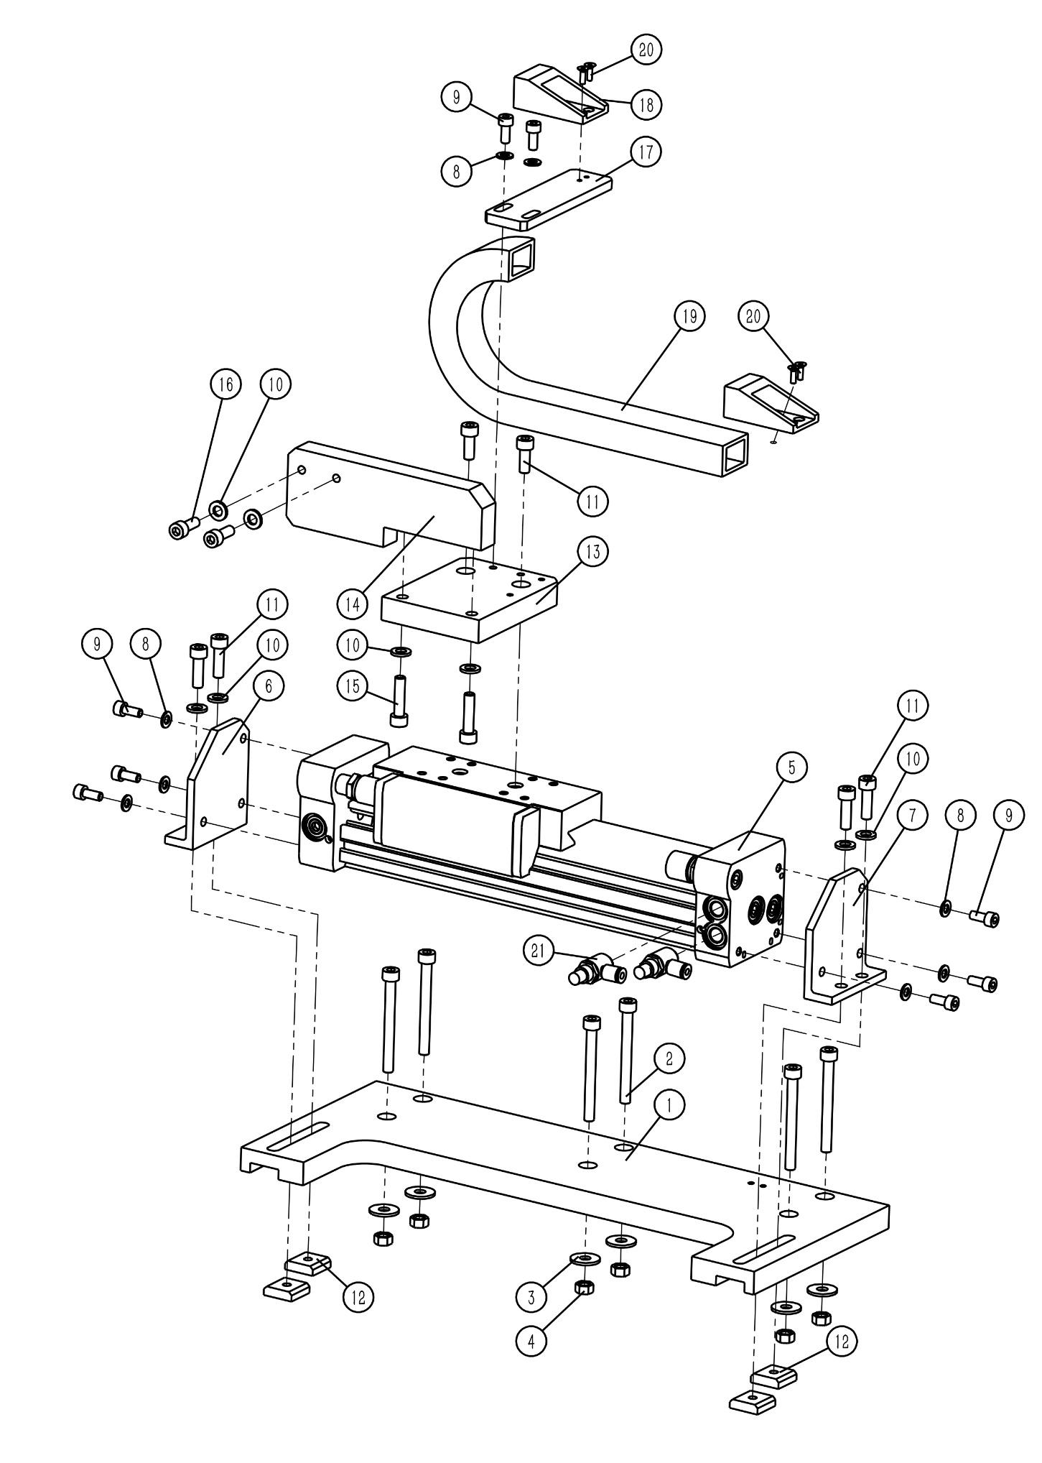

9.3 支撑装置
序号 NO. | 公司件号 Part NO. | 名称 PartName | 零件描述 Description | 数量 Number
1 | 48109034 | Rodless cylinder fixed base |  | 1
2 | S05156 | Screw M6 × 60 |  | 6
3 | W04007 | Large washer M6 |  | 6
4 | 701S16017 | Nut M6 |  | 6
5 | 48145301 | Rodless cylinder 25 × 110 |  | 1
6 | 48109035 | Cylinder left fixing seat |  | 1
7 | 48109036 | Cylinder right fixing seat |  | 1
8 | W01004 | M5 gasket |  | 8
9 | S05005 | Screw M5 × 12 |  | 8
10 | W01003 | M6 gasket |  | 8
11 | S05031 | Screw M6 × 20 |  | 6
12 | 701S16013 | Square flat nut block M6 |  | 4
13 | 48109037 | Rodless cylinder push plate |  | 1
14 | 48112004 | Feeding fixed plate |  | 1
15 | S05016 | Screw M6 × 25 |  | 2
16 | S05040 | Screw M6 × 16 |  | 2
17 | 48109039 | Towline fixing plate |  | 1
18 | 40711016 | Plastic drag chain head |  | 1
19 | 40711010 | Plastic chain 15 × 20 |  | 0.5
20 | S02068 | Screw M4 × 8 |  | 4
21 | 42130098 | Throttle valve |  | 2

9.4 Presser Structure
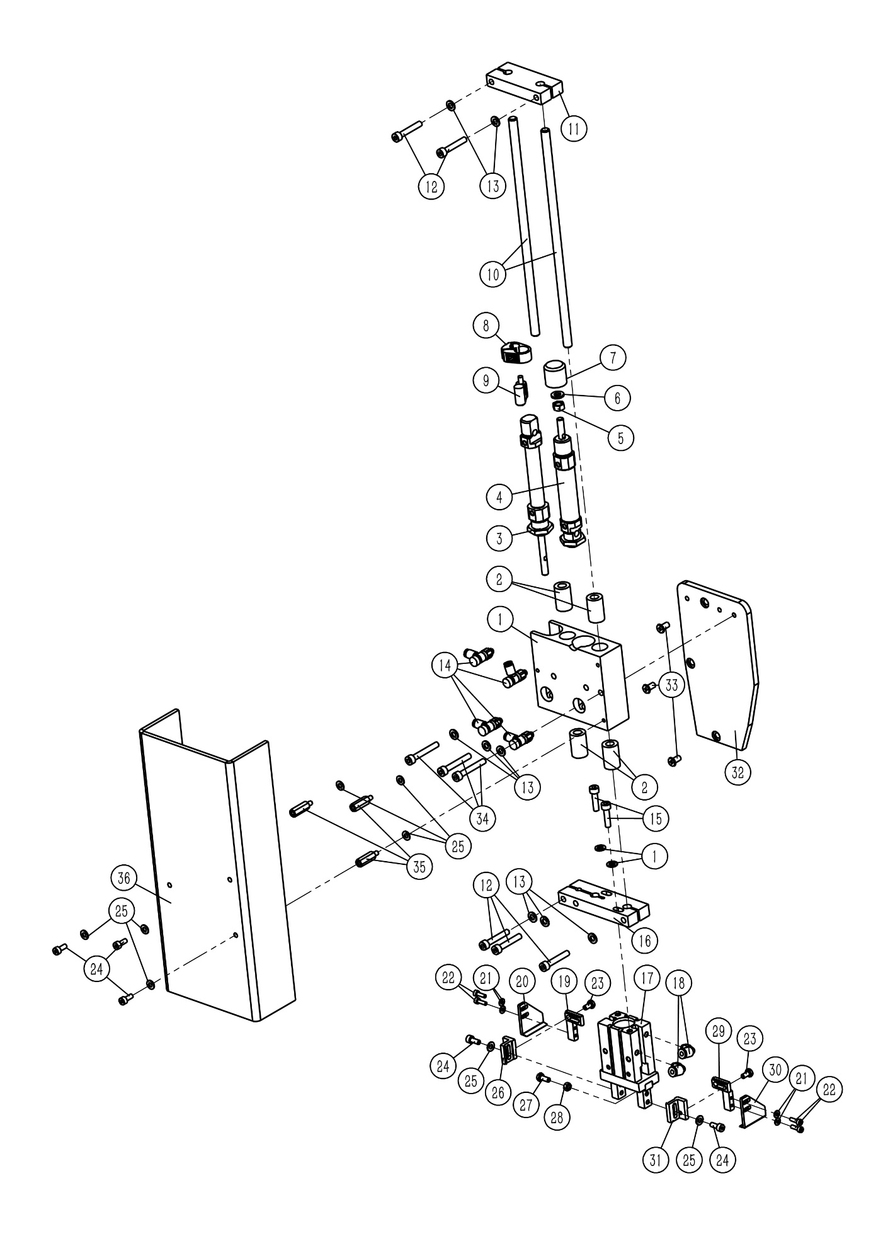

9.4 Presser Structure
序号 NO. | 公司件号 Part NO. | 名称 PartName | 零件描述 Description | 数量 Number
1 | 48109008 | Support fixed block |  | 1
2 | 48124001 | Linear Bearings |  | 4
3 | 48145304 | Cylindrical cylinder 12 × 40 |  | 1
4 | 48145305 | Cylindrical cylinder 16 × 25 |  | 1
5 | 701S16017 | Nut M6 |  | 1
6 | 48102057 | Cylinder rod cap |  | 1
7 | 48145312 | Cylinder sensor mount |  | 1
8 | 48145313 | Cylinder sensor |  | 1
9 | 48102005 | Optical axis |  | 2
10 | 48109009 | Upper limit block |  | 1
11 | S05083 | Screw M5 × 30 |  | 5
12 | W01004 | M5 gasket |  | 10
13 | 42130032 | Throttle valve |  | 4
14 | 48109010 | Lower limit block |  | 1
15 | 48145306 | Parallel gripper |  | 1
16 | S05092 | Screw M5 × 20 |  | 2
17 | 42136001 | Quick change elbow |  | 2
18 | 48112002 | Head cover |  | 1
19 | 481S14002 | Hexagon flat head screw M5 |  | 3
20 | 701S13024 | Screw M5 × 35 |  | 3
21 | 48109012 | Left lateral adjustment block |  | 1
22 | 48109013 | Left folding target board |  | 1
23 | W01002 | M3 gasket |  | 4
24 | S05145 | Screw M3 × 10 |  | 4
25 | 48109011 | Left longitudinal adjustment block |  | 1
26 | 481S14001 | Flat head screw M4 |  | 2
27 | S05058 | Screw M4 × 10 |  | 5
28 | W01001 | M4 gasket |  | 8
29 | 48109015 | Right lateral adjustment block |  | 1
30 | 48109016 | Right folding target board |  | 1
31 | 48109014 | Right longitudinal adjustment block |  | 1
32 | L02002 | Bolt M4 × 10 |  | 1
33 | 701S16015 | Nut M4 |  | 1
34 | 481S30002 | Stud M4 × 20 |  | 3
35 | 48111001 | Nose guard |  | 1

9.5 Folding Structure
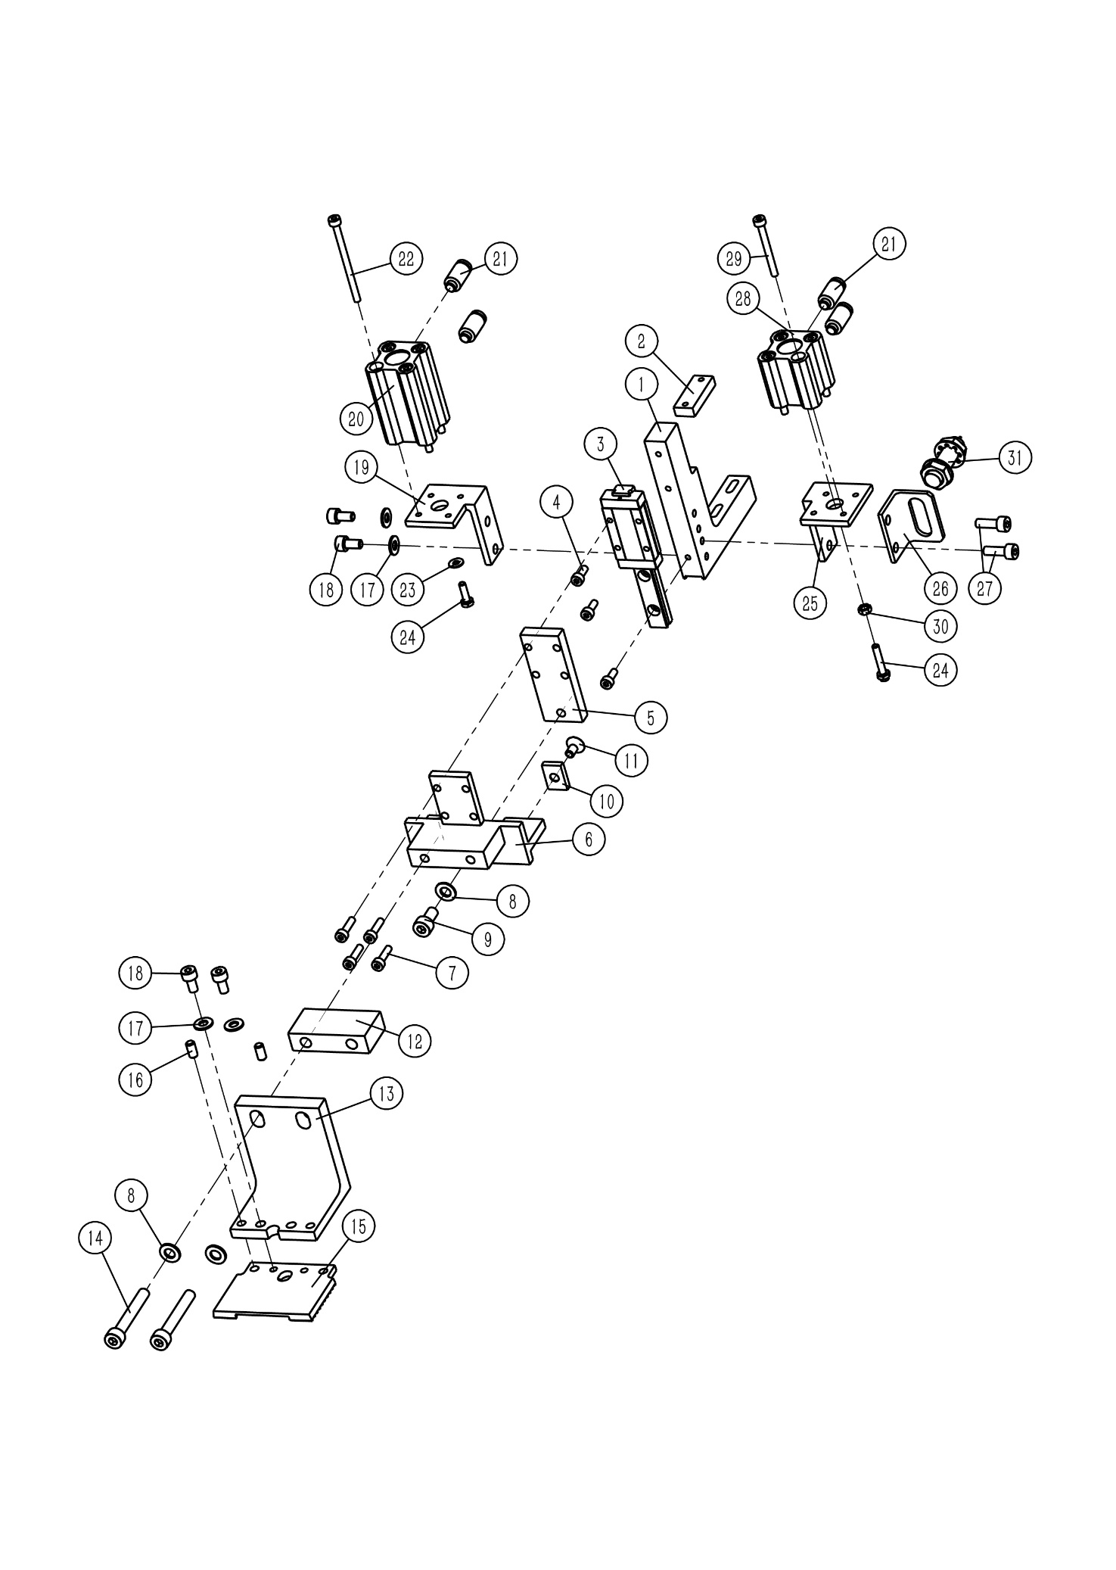

 |  |  | 五、折叠机构

9.5 Folding Structure
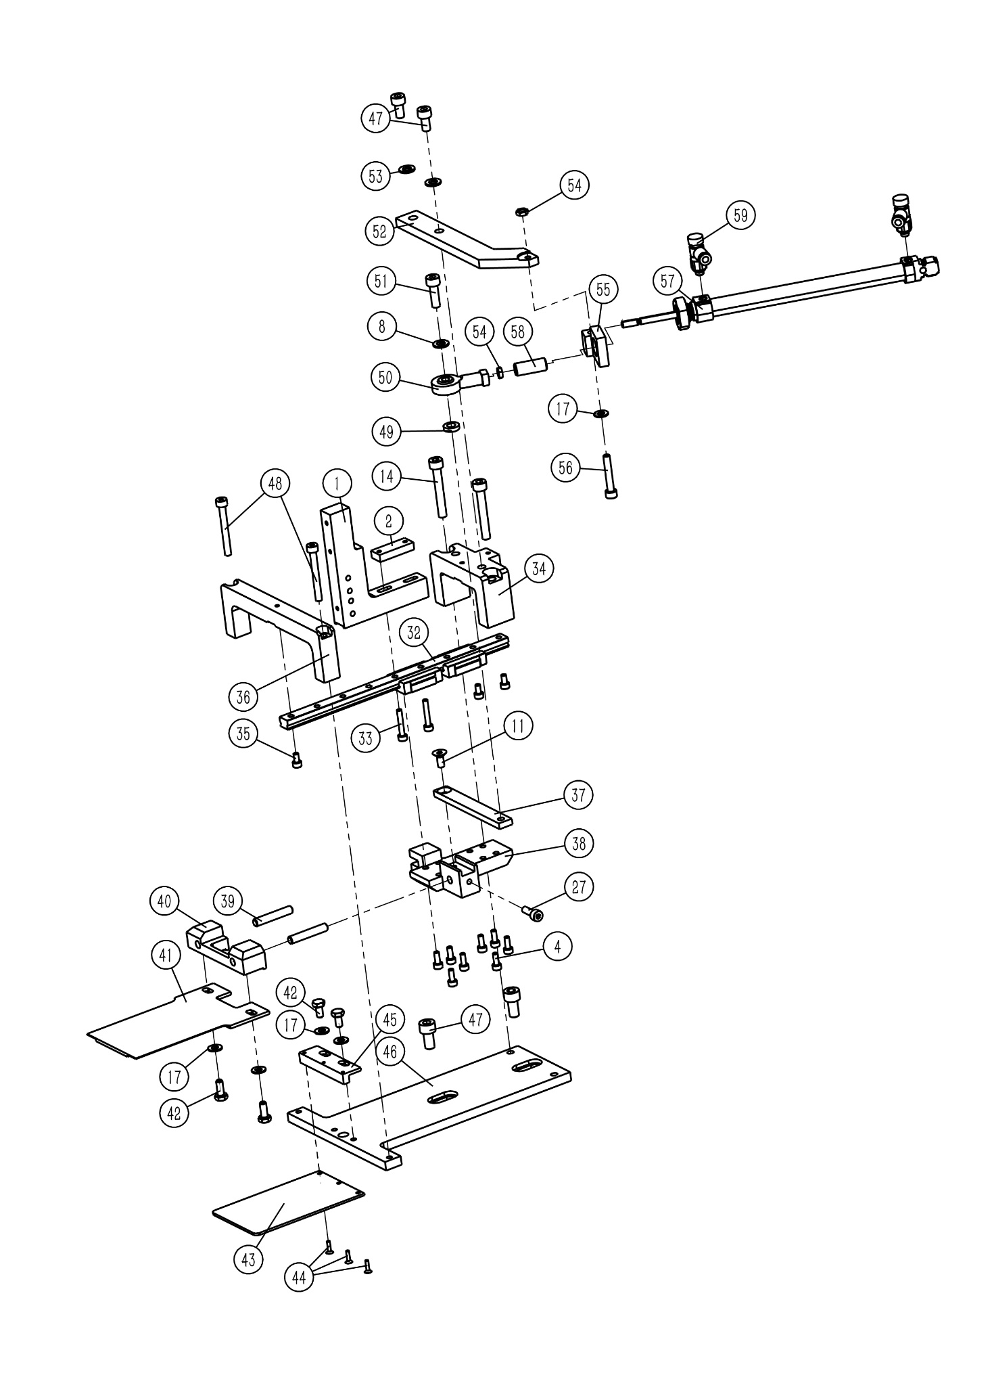

9.5 Folding Structure
序号 NO. | 公司件号 Part NO. | 名称 PartName | 零件描述 Description | 数量 Number
1 | 48109018 | Standard bracket |  | 1
2 | 48109045 | Fixing plate for pressure standard bracket |  | 1
3 | 48108002 | Marking plate guide rail assembly |  | 1
4 | S05403 | Screw M3 × 8 |  | 11
5 | 48109019 | Slider support plate |  | 1
6 | 48109020 | Slide bracket |  | 1
7 | S05858 | Screw M3 × 12 |  | 4
8 | W01004 | M5 gasket |  | 4
9 | S05003 | Screw M5 × 10 |  | 1
10 | 48112010 | Sensor detection board |  | 1
11 | S02068 | Screw M4 × 8 |  | 2
12 | 48109021 | Bracket adapter plate |  | 1
13 | 48109022 | Pressure fixing plate |  | 1
14 | 701S13024 | Screw M5 × 35 |  | 4
15 | 48116001 | Pressure plate |  | 1
16 | 48126001 | pin |  | 2
17 | W01001 | M4 gasket |  | 9
18 | S05859 | Screw M4 × 8 |  | 4
19 | 48109023 | Left cylinder bracket |  | 1
20 | 48145307 | Thin cylinder 12 × 25 |  | 1
21 | 48145019 | Push-in connector |  | 4
22 | S05406 | Screw M3 × 45 |  | 4
23 | W01002 | M3 gasket |  | 1
24 | L02053 | Bolt M3 × 10 |  | 2
25 | 48109024 | Right cylinder bracket |  | 1
26 | 48109025 | Sensor mounting plate |  | 1
27 | S05266 | Screw M4 × 12 |  | 3
28 | 48145303 | Thin cylinder 12 × 10 |  | 1
29 | S05160 | Screw M3 × 30 |  | 4
30 | 701S16014 | Nut M3 |  | 1
31 | 48130036 | Proximity switch |  | 1
32 | 48108003 | Folding guide rail assembly |  | 1
33 | S05054 | Screw M3 × 20 |  | 2
34 | 48109028 | Rear fixing block of guide rail |  | 1
35 | S05145 | Screw M3 × 10 |  | 3
36 | 48109026 | Front fixing block of guide rail |  | 1
37 | 48109033 | Motion fixing plate |  | 1
38 | 48109031 | Folding bracket |  | 1
39 | 48126002 | Short sale |  | 2
40 | 48109032 | Folding plate fixing block |  | 1
41 | 48115005 | Folding board |  | 1
42 | L02001 | Bolt M4 × 8 |  | 4
43 | 48112003 | Sewing the bottom plate |  | 1
44 | S02171 | Screw M2 × 8 |  | 3
45 | 48109027 | Sewing bottom plate connection block |  | 1
46 | 48109017 | Support base plate |  | 1
47 | S05033 | Screw M6 × 12 |  | 4
48 | S05187 | Screw M4 × 35 |  | 2
49 | 48128001 | Sports fixed cushion high circle |  | 1
50 | 48145309 | Fisheye connector |  | 1

9.5 Folding Structure
序号 NO. | 公司件号 Part NO. | 名称 PartName | 零件描述 Description | 数量 Number
51 | 701S13001 | Screw M5 × 16 |  | 1
52 | 48109029 | Cylinder drive plate |  | 1
...
9.6 Touch Screen
4 | 48126003 | Anchor connecting pin |  | 2
5 | 48142002 | Lateral support aluminum profile |  | 1
6 | 481S16002 | T nut M6 |  | 2
7 | 48109042 | Touch screen fixing plate |  | 1
8 | S05264 | Screw M6 × 12 |  | 2
9 | 42111010 | Operation screen |  | 1
10 | 701S13001 | Screw M5 × 16 |  | 3
11 | S05093 | Screw M4 × 25 |  | 2

9.7 Head and sewing table parts
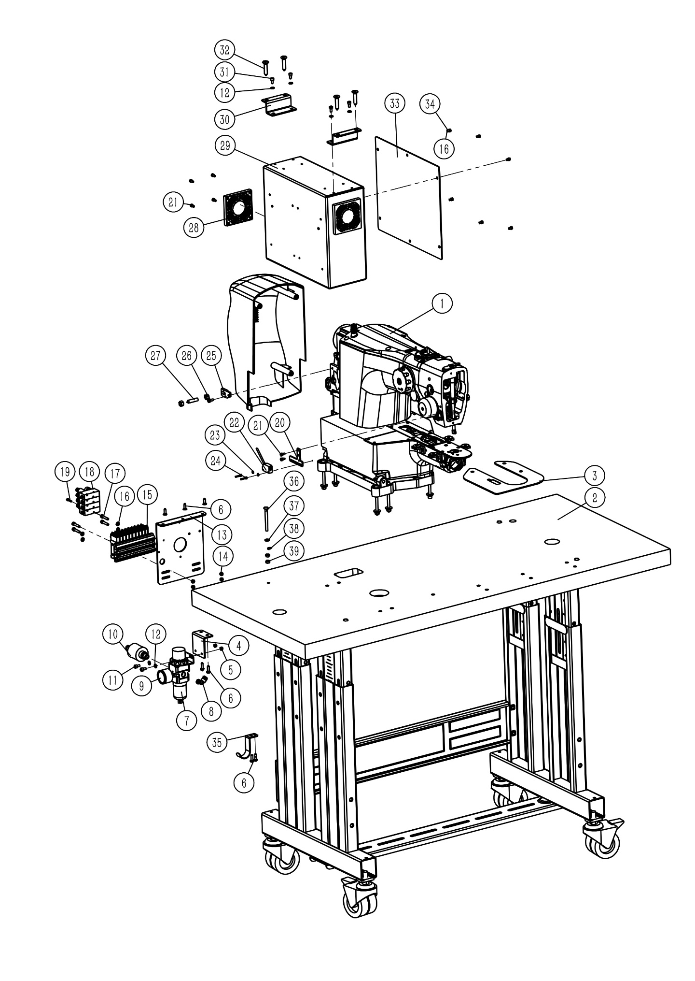

9.8 机头与台板部件
序号 NO. | 公司件号 Part NO. | 名称 PartName | 零件描述 Description | 数量 Number
1 | 14956 | GL11 head |  | 1
2 | 48132005 | Platen |  | 1
3 | 48112006 | Sewing table |  | 1
4 | 48112066 | Pressure regulator connection |  | 1
5 | 701S16016 | Nut M5 |  | 2
6 | S16001 | 4.8 Self-tapping screws |  | 7
7 | 42130088 | filter |  | 1
...

